RPA1
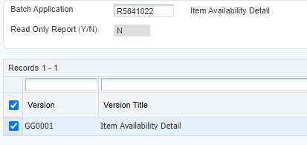
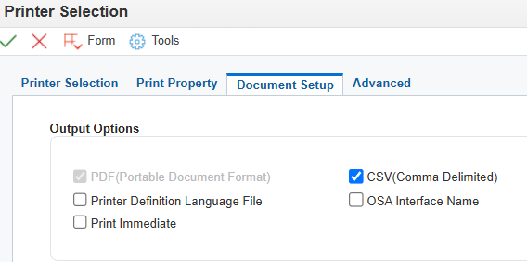
HEAD | BATCH APPLICATION | VERSION | BUSINESS UNIT | ITEM NUMBER (BACA SHEET) | SAVE AS
BV | R5641021 | GG0001 | 1201 | INPUTAN USER | \\10.8.0.35\Bersama\IT\Macro Record Projects\Local Project\MACRO_PROCESS - Pembetulan Stock di JDE\RPA Preference\.Source\JDE\JDE_StockAvailability.xlsx

RPA2
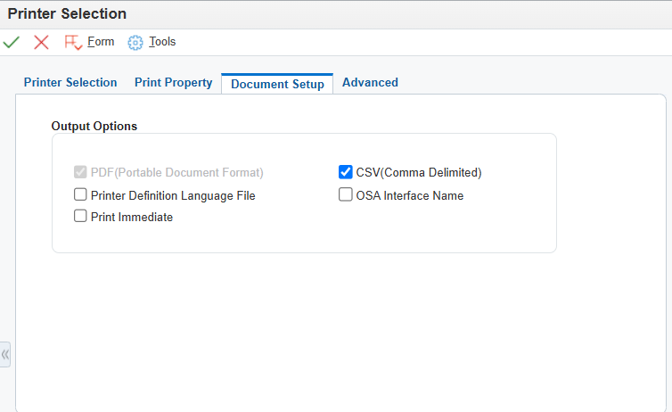
HEAD | BATCH APPLICATION | VERSION | BUSINESS UNIT | ITEM NUMBER (BACA SHEET) | SAVE AS
BV | R564111M | GG0002 | 1201 | INPUTAN USER | \\10.8.0.35\Bersama\IT\Macro Record Projects\Local Project\MACRO_PROCESS - Pembetulan Stock di JDE\RPA Preference\.Source\JDE\JDE_ILDV.xlsx

RPA4
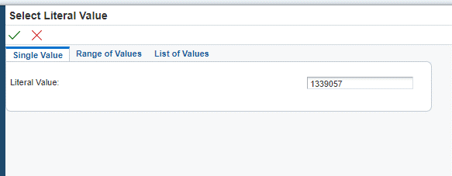
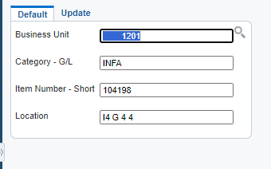
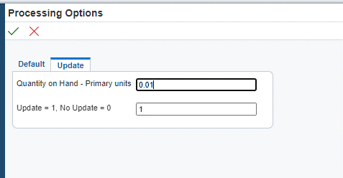
LOT NUMBER | BU | CAT | ITEM | LOCATION | QTY ILDV | UPDATE
189302 | 1201 | INFA | 104198 | JH 2 A16 | 0 | 1
1242965 | 1201 | INFA | 183900 | ENZORO | 0 | 1
1411623 | 1201 | INFA | 183900 | I1 A 125 | -0.02 | 1
1242965 | 1201 | INFA | 183900 | I2 B 4 5 | -0.01 | 1
1339057 | 1201 | INFA | 183900 | ENZORO | 0.01 | 1

